Sheet1
AVERAGE
TIRE TEMPERATURE
CALCULATOR
 |  |  |  |  |  | TRACK
 |  |  |  |  |  | DATE
 |  |  |  |  |  | DRIVER
 |  |  |  |  |  | TRACK TEMPERTURE
 |  |  |  |  |  | CONDITIONS
Enter temps in RED boxes only
OPTIMUM TIRE OPERATING TEMPERATURE |  |  |  |  | 180
LEFT FRONT |  |  |  | Front Ave. | Front Delta |  | RIGHT FRONT
Out | Middle | In |  | 176.16666667 | 1.6666666667 |  | In | Middle | Out
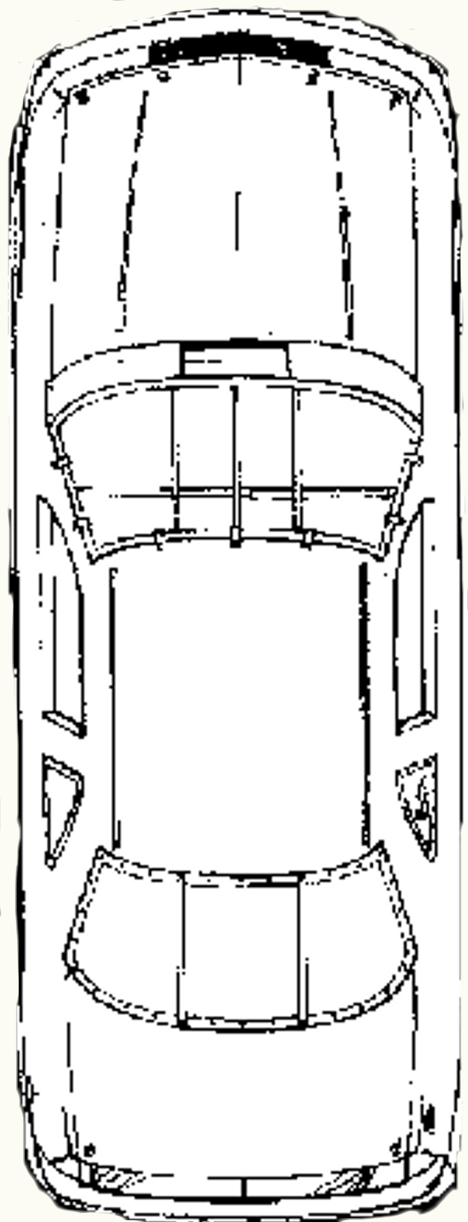
175 | 177 | 179 |  |  |  |  | 180 | 175 | 171

LF Ave. | 177 |  |  |  |  |  | RF Ave. | 175.33333333
LF CAMBER |  | 3 |  |  |  |  | RF CAMBER |  | -2
LF Pressure |  | 0 |  |  |  |  | RF Pressure |  | -0.5
Delta Optimum |  | -3 |  |  |  |  | Delta Optimum |  | -4.6666666667
 |  |  |  |  |  |  | RF-LR Diagonal Average
 | LF-RR Diagonal Average |  |  |  |  |  |  | 178.5
 |  | 182.16666667

Left Side Delta |  |  |  |  |  |  | Right side Delta
-4.6666666667 |  |  |  |  |  |  | -12

Left side Ave. |  | 179.33333333 |  |  |  |  | Right side Ave. |  | 181.33333333

Left-right delta |  | -2 |  |  |  |  | Car Average
 |  |  |  |  |  |  | 180.33
Cross Delta |  | 3.6666666667
 |  |  |  |  |  |  | Front Rear Delta
 |  |  |  |  |  |  | -8.3333333333

Delta Optimum |  | 1.6666666667 |  |  |  |  | Delta Optimum |  | 7.3333333333
LR Pressure |  | 0.5 |  |  |  |  | RR Pressure |  | 1
LR CAMBER |  | 4 |  |  |  |  | RR CAMBER |  | 1
LR Ave. | 181.66666667 |  |  |  |  |  | RR Ave. | 187.33333333
180 | 182 | 183 |  |  |  |  | 190 | 188 | 184
Out | Middle | In |  | Rear Ave. | Rear Delta |  | In | Middle | Out
LEFT REAR |  |  |  | 184.5 | -5.6666666667 |  | RIGHT REAR

AVERAGE TEMPERATURE SUMMARY
 | AVERAGE | from opt | Pressure | Camber
LF | 177 | -3 | 0 | 3 | Positive pressure numbers mean over-inflated, negative mean under-inflated
RF | 175.33333333 | -4.6666666667 | -0.5 | -2 | Positive camber numbers mean too little negative camber
LR | 181.66666667 | 1.6666666667 | 0.5 | 4 | Negative camber numbers mean too much negative camber
RR | 187.33333333 | 7.3333333333 | 1 | 1 | Optimum camber is 7 degrees hotter on inside edge vs. outside edge on some cars and that number is used here. you may need to lower or raise that number for your application
FRONT | 176.16666667
REAR | 184.5
LEFT | 179.33333333
RIGHT | 181.33333333
LF-RR | 182.16666667
RF-LR | 178.5

Tire Temperature Deltas
Front vs. Rear |  | -8.3333333333 | Positive numbers are front hotter, understeer…. Negative numbers are rear hotter, oversteer
Left vs. Right |  | -2 | Positive numbers are left hotter, Negative numbers are right hotter
Diagonal |  | 3.6666666667 | Positive numbers are lf-rr hotter, Negative numbers are rf-lr hotter

NOTES:
Excessive front vs. rear or left vs. right delta could be from static weight distribution
Excessive diagonal deltas could be from crossweight other than 50%

